Main Resources
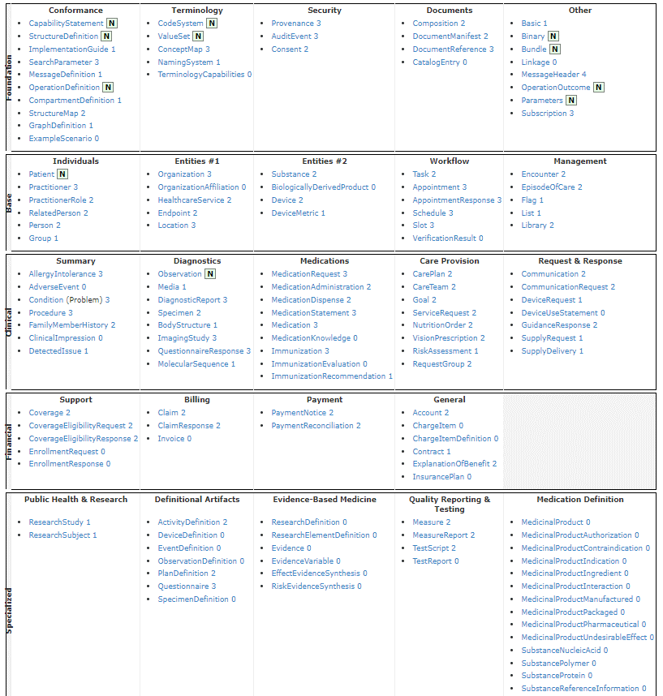
Link | https://www.hl7.org/fhir/resourcelist.html

 |  |  | question: | se va todo en un fichero JSON?
 | Patient |  |  | when it is mot in the main resource like height…how do we add it?
 | Observation

 | Generate FHIR Bundles per patient | conjunto de recursos en FHIR

 | FHIR bundle or HL7 extract

